WAG
Security
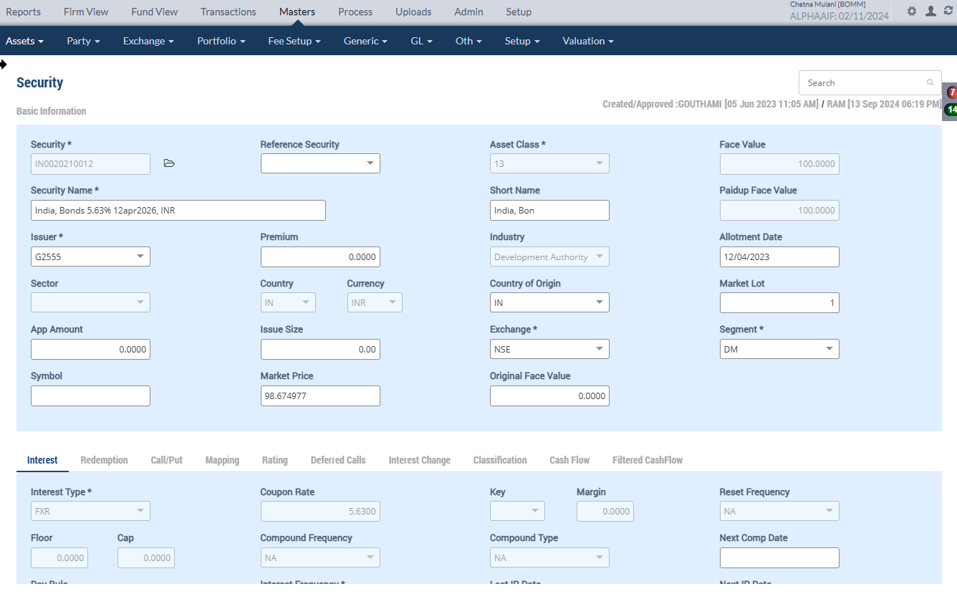

Direct Placement- BUY
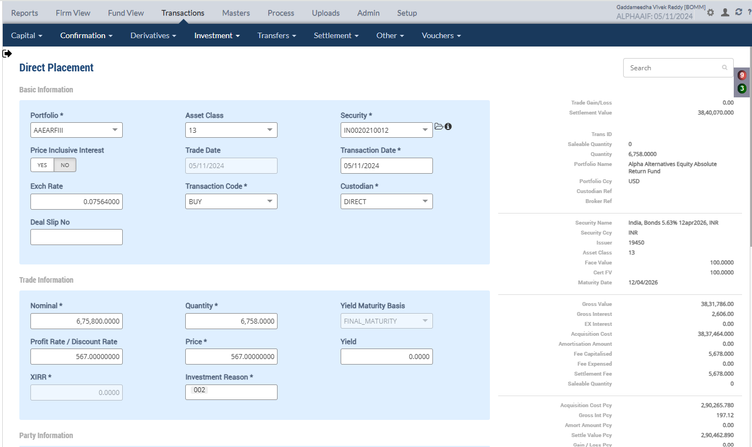
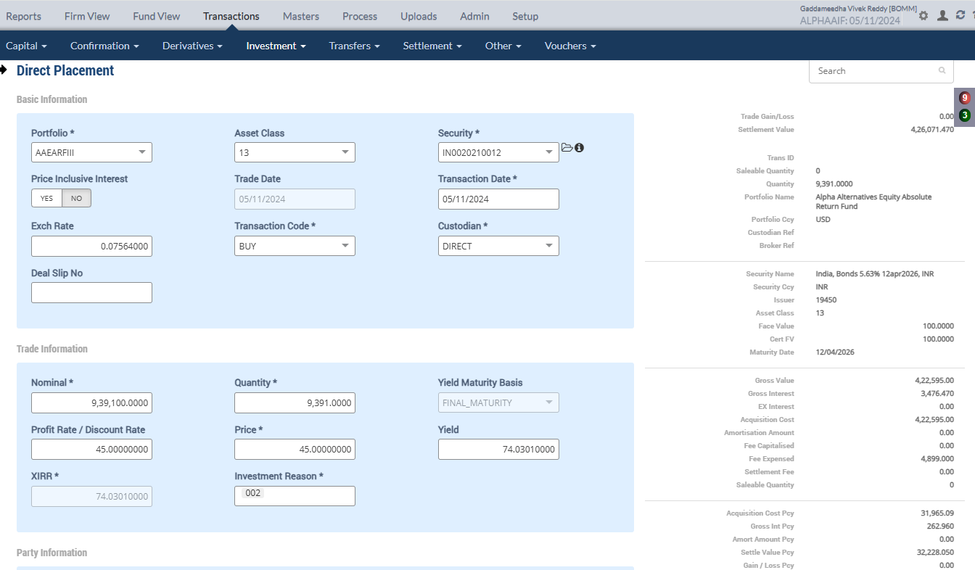

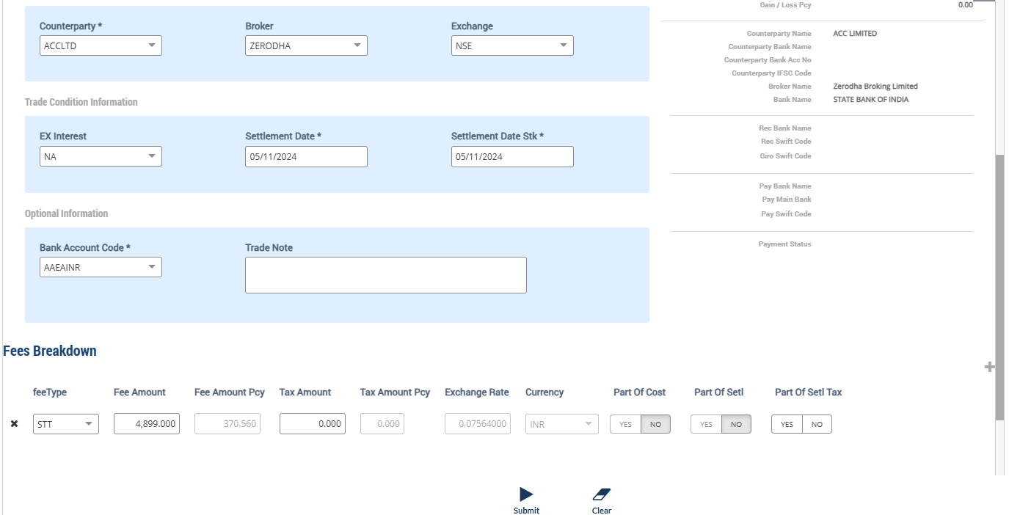
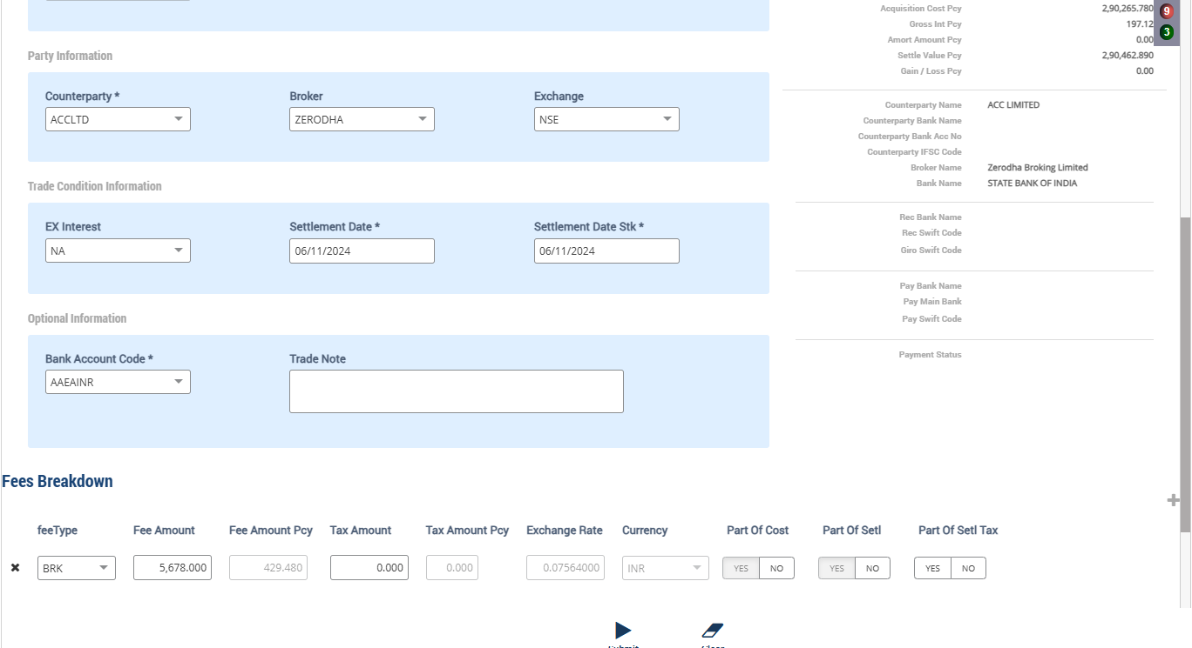

Accounting Enquiry
Portfolio | Portfolio Class | Entry Date | Trans Date | Ledger ID | Trans ID | Module Ref | Account Type | Control AC | Control AC Name | Gl Entry Code | Gl Account | Gl Account Name | Currency | Credit/Debit | Amount Tcy | Amount Pcy | Exch Rate | Asset Class | Asset Group | Security | Security Type | Trans Code | Broker | Counterparty | Narration | Is Reversed | Is Sysgen | Portfolio Currency | Trans Ref
AAEARFIII |  | 05-Nov-2024 | 05-Nov-2024 | CF244101580000135205 | CF2441015800001352 | ORDCONFIRM | AST | 111500 | INTEREST ACCRUED BUT NOT DUE | BROKENINTEREST | 111500-13-INR | INTEREST ACCRUED BUT NOT DUE | INR | Dr | -3,476.47 | -262.96 | 0.07564 | 13 | -262.96 | IN0020210012 | INV | BUY | ZERODHA | ACCLTD | Accrued Interest on Purchase of 9391 quantity of IN0020210012 India, Bonds 5.63% 12apr2026, INR | N | N | USD | PL2441015800000339
AAEARFIII |  | 05-Nov-2024 | 05-Nov-2024 | CF244101580000135204 | CF2441015800001352 | ORDCONFIRM | LIA | 212024 | STT Payable | STTAMOUNTPAY | 212024-INR | STT Payable | INR | Cr | 4,899.00 | 370.56 | 0.07564 | 13 | 370.56 | IN0020210012 | INV | BUY | ZERODHA | ACCLTD | STT Charges Payable on Purchase of 9391 quantity of IN0020210012 India, Bonds 5.63% 12apr2026, INR | N | N | USD | PL2441015800000339
AAEARFIII |  | 05-Nov-2024 | 05-Nov-2024 | CF244101580000135203 | CF2441015800001352 | ORDCONFIRM | EXP | 810324 | STT Fee | STTAMOUNTEXP | 810324-INR | STT Fee | INR | Dr | -4,899.00 | -370.56 | 0.07564 | 13 | -370.56 | IN0020210012 | INV | BUY | ZERODHA | ACCLTD | STT Charges Expense on Purchase of 9391 quantity of IN0020210012 India, Bonds 5.63% 12apr2026, INR | N | N | USD | PL2441015800000339
AAEARFIII |  | 05-Nov-2024 | 05-Nov-2024 | CF244101580000135202 | CF2441015800001352 | ORDCONFIRM | AST | 110100 | Current Bank Account | CURRENTBACCOUNT | 110100-AAEAINR-INR | Current Bank Account | INR | Cr | 426,071.47 | 32,228.05 | 0.07564 | 13 | 32,228.05 | IN0020210012 | INV | BUY | ZERODHA | ACCLTD | Purchase Trade settlement 9391 quantity of IN0020210012 India, Bonds 5.63% 12apr2026, INR | N | N | USD | PL2441015800000339
AAEARFIII |  | 05-Nov-2024 | 05-Nov-2024 | CF244101580000135201 | CF2441015800001352 | ORDCONFIRM | AST | 010101 | Investments | INVESTMENT | 010101-13-INR | Investments | INR | Dr | -422,595.00 | -31,965.09 | 0.07564 | 13 | -31,965.09 | IN0020210012 | INV | BUY | ZERODHA | ACCLTD | Purchase of 9391 quantity of IN0020210012 India, Bonds 5.63% 12apr2026, INR | N | N | USD | PL2441015800000339
AAEARFIII |  | 05-Nov-2024 | 05-Nov-2024 | CF244101580000135104 | CF2441015800001351 | ORDCONFIRM | INC | 999999 | Currency round off | CCYROUNDDIFF | 999999-USD | Currency round off | USD | Cr | 00.01 | 00.01 | 1 | 13 | 0.01 | IN0020210012 | INV | BUY | ZERODHA | ACCLTD | Currency Rounding difference Adjustments India, Bonds 5.63% 12apr2026, INR | N | N | USD | PL2441015800000338
AAEARFIII |  | 05-Nov-2024 | 05-Nov-2024 | CF244101580000135103 | CF2441015800001351 | ORDCONFIRM | AST | 111500 | INTEREST ACCRUED BUT NOT DUE | BROKENINTEREST | 111500-13-INR | INTEREST ACCRUED BUT NOT DUE | INR | Dr | -2,606.00 | -197.12 | 0.07564 | 13 | -197.12 | IN0020210012 | INV | BUY | ZERODHA | ACCLTD | Accrued Interest on Purchase of 6758 quantity of IN0020210012 India, Bonds 5.63% 12apr2026, INR | N | N | USD | PL2441015800000338
AAEARFIII |  | 05-Nov-2024 | 05-Nov-2024 | CF244101580000135102 | CF2441015800001351 | ORDCONFIRM | LIA | 210600 | Trade Payables | COUNTERPARTYPAY | 210600-INR | Trade Payables | INR | Cr | 3,840,070.00 | 290,462.89 | 0.07564 | 13 | 290,462.89 | IN0020210012 | INV | BUY | ZERODHA | ACCLTD | Counterparty Payable on Purchase of 6758 quantity of IN0020210012 India, Bonds 5.63% 12apr2026, INR | N | N | USD | PL2441015800000338
AAEARFIII |  | 05-Nov-2024 | 05-Nov-2024 | CF244101580000135101 | CF2441015800001351 | ORDCONFIRM | AST | 010101 | Investments | INVESTMENT | 010101-13-INR | Investments | INR | Dr | -3,837,464.00 | -290,265.78 | 0.07564 | 13 | -290,265.78 | IN0020210012 | INV | BUY | ZERODHA | ACCLTD | Purchase of 6758 quantity of IN0020210012 India, Bonds 5.63% 12apr2026, INR | N | N | USD | PL2441015800000338

Holding
Symbol | Security |  | Security Name | Security Listed | TCY | ISIN Code | Maturity Date | Quantity | Average Price | Strike Price | Book Cost in TCY | Book Cost in PCY | Market Price | Market Value in TCY | Market Value in PCY | % of NAV | Interest Accruals in TCY | Interest Accruals in PCY | Accrued AOD TCY | Accrued AOD PCY | Amortised Cost PCY | Amortised Cost Per Unit | Exchange | App/Dep in TCY | App/Dep in PCY | Unrel GL TCY | Unrel GL PCY | Unrel GL FX PCY | Variable Margin TCY | Variable Margin PCY | Market Price Date
 | IN0020210012 |  | India, Bonds 5.63% 12apr2026, INR |  | INR |  | 12-Apr-2026 | 16,149.0000 | 263.7970 | 0.000000 | 4,260,059.00 | 322,230.87 | 98.6749 | 1,593,502.20 | 120,532.51 | 0.0376 | 6,170.05 | (61,792.23) | 0.00 | 0.00 | 322,230.87 | 0.00 | 0.075640 | (2,666,556.80) | (201,698.36) | 0.00 | 0.00 | 0.00 | 0.00 | 0.00 | 31-Oct-2024

 |  |  |  |  |  |  |  | 16149 |  |  | 4,260,059.00 | 322,230.86 |  |  |  |  |  |  |  |  |  |  |  | -2,666,556.8 | -201,698.36

Purchase Sale
Portfolio | Portfolio Name | Sector Name | Industry Name | Trans Date | Settlement Date | Transaction ID | Transaction Type | Security | Security Name | Strike Price | Asset Class | Asset Name |  | Exchange |  | Broker |  | Broker Name |  | CounterParty | CounterParty Name | Custodian Name | Quantity |  | Rate |  | Gross Value |  | Yield | Brokerage | Brokerage % | Stt Amount | Clearing Fees | Others Fees | Net Amount TCY | Net Amount PCY | Acquisition Cost TCY | Acquisition Cost PCY | Gain Loss TCY | Gain Loss PCY | Gross Interest TCY | Gross Interest PCY
AAEARFIII | Alpha Alternatives Equity Absolute Return Fund | Others | Household Appliances | 05-Nov-2024 | 05-Nov-2024 | CF2441015800001352 | BUY | IN0020210012 | India, Bonds 5.63% 12apr2026, INR | 0.00 | 13 |  | Government Securities |  | NSE |  | ZERODHA |  | Zerodha Broking Limited |  |  |  |  | 9,391.00 |  | 45.000000 |  | 31,965.09 | 74.0301% | 0.00 | 0.000000 | 370.56 | 0.00 | 0.00 | 426,071.47 | 32,228.05 | 422,595.00 | 31,965.09 | 0.00 | 0.00 | 3,476.47 | 262.96
AAEARFIII | Alpha Alternatives Equity Absolute Return Fund | Others | Household Appliances | 05-Nov-2024 | 06-Nov-2024 | CF2441015800001351 | BUY | IN0020210012 | India, Bonds 5.63% 12apr2026, INR | 0.00 | 13 |  | Government Securities |  | NSE |  | ZERODHA |  | Zerodha Broking Limited |  |  |  |  | 6,758.00 |  | 567.000000 |  | 289,836.29 | 0.0000% | 429.48 | 0.148180 | 0.00 | 0.00 | 0.00 | 3,840,070.00 | 290,462.89 | 3,837,464.00 | 290,265.78 | 0.00 | 0.00 | 2,606.00 | 197.12

Upload Market Price

Accounting Enquiry
Portfolio | Portfolio Class | Entry Date | Trans Date | Ledger ID | Trans ID | Module Ref | Account Type | Control AC | Control AC Name | Gl Entry Code | Gl Account | Gl Account Name | Currency | Credit/Debit | Amount Tcy | Amount Pcy | Exch Rate | Asset Class | Asset Group | Security | Security Type | Trans Code | Broker | Counterparty | Narration | Is Reversed | Is Sysgen | Portfolio Currency | Trans Ref
AAEARFIII |  | 05-Nov-2024 | 05-Nov-2024 | UG244101580014685604 | UG2441015800146856 | UNREAL_GAINLOSS | INC | 510000 | Unrealised Gain/Loss On INVESTMENT | UNREALGLINVEST | 510000-13-INR | Unrealised Gain/Loss On INVESTMENT | INR | Dr | -2,510,476.34 | -189,892.43 | 0.07564 | 13 |  | IN0020210012 | INV | UPRFLS |  |  | Unrealised Gain/Loss on Security IN0020210012 on the Price change - Strike Price 0 India, Bonds 5.63% 12apr2026, INR | N | Y | USD | UG2441015800146856
AAEARFIII |  | 05-Nov-2024 | 05-Nov-2024 | UG244101580014685603 | UG2441015800146856 | UNREAL_GAINLOSS | INC | 510980 | Investment fx gain/loss | UNREALGLFOREX | 510980-13-INR | Investment fx gain/loss | INR | Cr | 00.00 | -00.01 | 0.07564 | 13 |  | IN0020210012 | INV | UPRFLS |  |  | Unrealised Gain/Loss on Security IN0020210012 on the FX change - Strike Price 0 India, Bonds 5.63% 12apr2026, INR | N | Y | USD | UG2441015800146856
AAEARFIII |  | 05-Nov-2024 | 05-Nov-2024 | UG244101580014685602 | UG2441015800146856 | UNREAL_GAINLOSS | AST | 010122 | F/X GAIN LOSS ON INVESTMENT | INVFXAPPDEP | 010122-13-INR | F/X GAIN LOSS ON INVESTMENT | INR | Cr | 00.00 | 00.01 | 0.07564 | 13 |  | IN0020210012 | INV | UPRFLS |  |  | Unrealised Gain/Loss on Security IN0020210012 on the FX change - Strike Price 0 India, Bonds 5.63% 12apr2026, INR | N | Y | USD | UG2441015800146856
AAEARFIII |  | 05-Nov-2024 | 05-Nov-2024 | UG244101580014685601 | UG2441015800146856 | UNREAL_GAINLOSS | AST | 010110 | Investments - App/(Dep) | INVESTAPPDEP | 010110-13-INR | Investments - App/(Dep) | INR | Cr | 2,510,476.34 | 189,892.43 | 0.07564 | 13 |  | IN0020210012 | INV | UPRFLS |  |  | Unrealised Gain/Loss on Security IN0020210012 on the Price change - Strike Price 0 India, Bonds 5.63% 12apr2026, INR | N | Y | USD | UG2441015800146856
AAEARFIII |  | 05-Nov-2024 | 05-Nov-2024 | IC244101580000708404 | IC2441015800007084 | INCOME_ACCRUAL | INC | 510988 | fx gain/loss on pay/rec | UNREALGLOFOREX | 510988-INR | fx gain/loss on pay/rec | INR | Cr | 00.00 | -00.01 | 0.07564 | 13 |  | IN0020210012 | INV | INTAOD |  |  | Interest Accrual on 16149 quantity of IN0020210012 India, Bonds 5.63% 12apr2026, INR | N | Y | USD | IC2441015800007084
AAEARFIII |  | 05-Nov-2024 | 05-Nov-2024 | IC244101580000708403 | IC2441015800007084 | INCOME_ACCRUAL | AST | 111500 | INTEREST ACCRUED BUT NOT DUE | BROKENINTEREST | 111500-13-INR | INTEREST ACCRUED BUT NOT DUE | INR | Cr | 00.00 | 00.01 | 0.07564 | 13 |  | IN0020210012 | INV | INTAOD |  |  | Interest Accrual on 16149 quantity of IN0020210012 India, Bonds 5.63% 12apr2026, INR | N | Y | USD | IC2441015800007084
AAEARFIII |  | 05-Nov-2024 | 05-Nov-2024 | IC244101580000708402 | IC2441015800007084 | INCOME_ACCRUAL | INC | 610401 | Interest Income - Investments | INTINCOMESEC | 610401-13-INR | Interest Income - Investments | INR | Cr | 57.27 | 04.33 | 0.07564 | 13 |  | IN0020210012 | INV | INTAOD |  |  | Interest Accrual on 16149 quantity of IN0020210012 India, Bonds 5.63% 12apr2026, INR | N | Y | USD | IC2441015800007084
AAEARFIII |  | 05-Nov-2024 | 05-Nov-2024 | IC244101580000708401 | IC2441015800007084 | INCOME_ACCRUAL | AST | 111500 | INTEREST ACCRUED BUT NOT DUE | BROKENINTEREST | 111500-13-INR | INTEREST ACCRUED BUT NOT DUE | INR | Dr | -57.27 | -04.33 | 0.07564 | 13 |  | IN0020210012 | INV | INTAOD |  |  | Interest Accrual on 16149 quantity of IN0020210012 India, Bonds 5.63% 12apr2026, INR | N | Y | USD | IC2441015800007084

Holding
Symbol | Security |  | Security Name | Security Listed | TCY | ISIN Code | Maturity Date | Quantity | Average Price | Strike Price | Book Cost in TCY | Book Cost in PCY | Market Price | Market Value in TCY | Market Value in PCY | % of NAV | Interest Accruals in TCY | Interest Accruals in PCY | Accrued AOD TCY | Accrued AOD PCY | Amortised Cost PCY | Amortised Cost Per Unit | Exchange | App/Dep in TCY | App/Dep in PCY | Unrel GL TCY | Unrel GL PCY | Unrel GL FX PCY | Variable Margin TCY | Variable Margin PCY | Market Price Date
 | IN0020210012 |  | India, Bonds 5.63% 12apr2026, INR |  | INR |  | 12-Apr-2026 | 16,149.0000 | 263.7970 | 0.000000 | 4,260,059.00 | 322,230.87 | 108.3400 | 1,749,582.66 | 132,338.43 | 0.0422 | 6,227.32 | (61,787.90) | 0.00 | 0.00 | 322,230.87 | 0.00 | 0.075640 | (2,510,476.34) | (189,892.44) | (2,510,476.34) | (189,892.43) | (0.01) | 0.00 | 0.00 | 05-Nov-2024

 |  |  |  |  |  |  |  |  |  |  |  |  |  | 1,749,582.66 | 132,338.43 |  |  |  |  |  |  |  |  | -2,510,476.34 | -189,892.44 | -2,510,476.34 | -189,892.43 | -0.01

Freeze NAV to 6th Nov
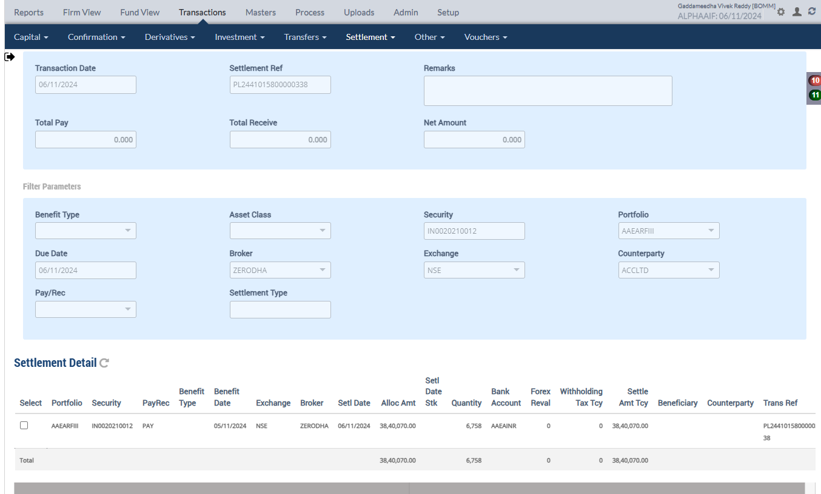

Accounting Enquiry
Portfolio | Portfolio Class | Entry Date | Trans Date | Ledger ID | Trans ID | Module Ref | Account Type | Control AC | Control AC Name | Gl Entry Code | Gl Account | Gl Account Name | Currency | Credit/Debit | Amount Tcy | Amount Pcy | Exch Rate | Asset Class | Asset Group | Security | Security Type | Trans Code | Broker | Counterparty | Narration | Is Reversed | Is Sysgen | Portfolio Currency | Trans Ref
AAEARFIII |  | 06-Nov-2024 | 06-Nov-2024 | PR244101580005089902 | PR2441015800050899 | PAYREC_SETTLE | AST | 110100 | Current Bank Account | CURRENTBACCOUNT | 110100-AAEAINR-INR | Current Bank Account | INR | Cr | 3,840,070.00 | 290,462.89 | 0.07564 | 13 |  | IN0020210012 | INV | TSTCPP | ZERODHA | ACCLTD | Counterparty Purchase Settlement of 6758 quantity of IN0020210012 India, Bonds 5.63% 12apr2026, INR | N | N | USD | PL2441015800000338
AAEARFIII |  | 06-Nov-2024 | 06-Nov-2024 | PR244101580005089901 | PR2441015800050899 | PAYREC_SETTLE | LIA | 210600 | Trade Payables | COUNTERPARTYPAY | 210600-INR | Trade Payables | INR | Dr | -3,840,070.00 | -290,462.89 | 0.07564 | 13 |  | IN0020210012 | INV | TSTCPP | ZERODHA | ACCLTD | Counterparty Purchase Settlement of 6758 quantity of IN0020210012 India, Bonds 5.63% 12apr2026, INR | N | N | USD | PL2441015800000338

 |  |  |  |  |  |  |  |  |  |  |  |  |  |  |  | -290,462.89
Forex Rate
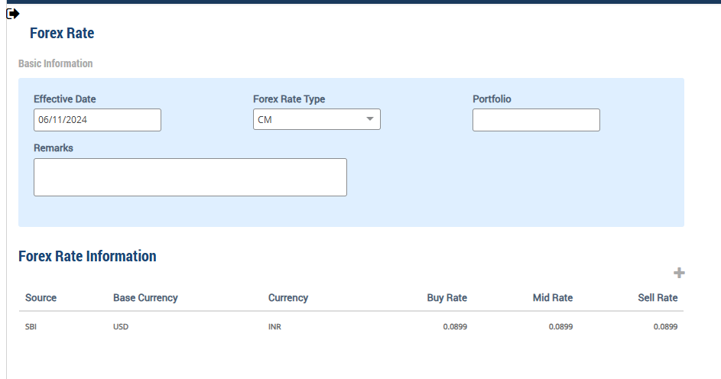

Upload market price on 6th Nov
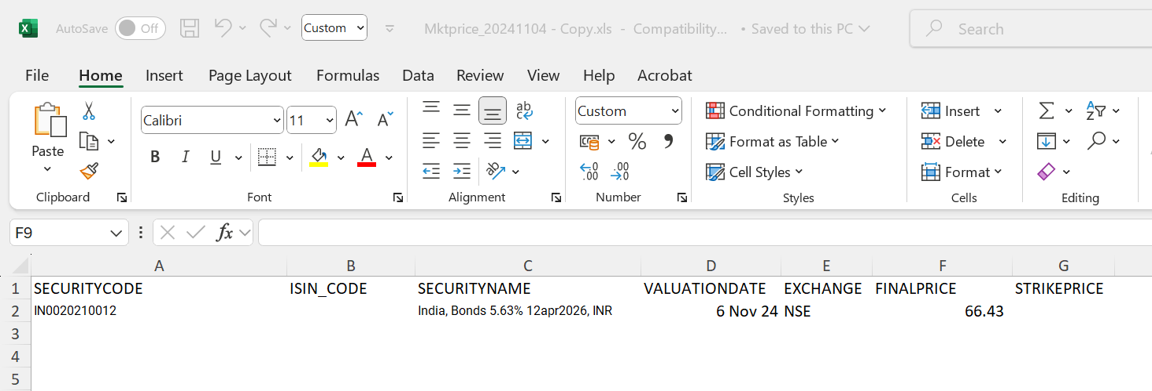

Accounting Enquiry
Portfolio | Portfolio Class | Entry Date | Trans Date | Ledger ID | Trans ID | Module Ref | Account Type | Control AC | Control AC Name | Gl Entry Code | Gl Account | Gl Account Name | Currency | Credit/Debit | Amount Tcy | Amount Pcy | Exch Rate | Asset Class | Asset Group | Security | Security Type | Trans Code | Broker | Counterparty | Narration | Is Reversed | Is Sysgen | Portfolio Currency | Trans Ref
AAEARFIII |  | 06-Nov-2024 | 06-Nov-2024 | UG244101580014712004 | UG2441015800147120 | UNREAL_GAINLOSS | INC | 510000 | Unrealised Gain/Loss On INVESTMENT | UNREALGLINVEST | 510000-13-INR | Unrealised Gain/Loss On INVESTMENT | INR | Dr | -676,804.59 | -96,644.13 | 0.0899 | 13 |  | IN0020210012 | INV | UPRFLS |  |  | Unrealised Gain/Loss on Security IN0020210012 on the Price change - Strike Price 0 India, Bonds 5.63% 12apr2026, INR | N | Y | USD | UG2441015800147120
AAEARFIII |  | 06-Nov-2024 | 06-Nov-2024 | UG244101580014712003 | UG2441015800147120 | UNREAL_GAINLOSS | INC | 510980 | Investment fx gain/loss | UNREALGLFOREX | 510980-13-INR | Investment fx gain/loss | INR | Cr | 00.00 | 60,748.45 | 0.0899 | 13 |  | IN0020210012 | INV | UPRFLS |  |  | Unrealised Gain/Loss on Security IN0020210012 on the FX change - Strike Price 0 India, Bonds 5.63% 12apr2026, INR | N | Y | USD | UG2441015800147120
AAEARFIII |  | 06-Nov-2024 | 06-Nov-2024 | UG244101580014712002 | UG2441015800147120 | UNREAL_GAINLOSS | AST | 010122 | F/X GAIN LOSS ON INVESTMENT | INVFXAPPDEP | 010122-13-INR | F/X GAIN LOSS ON INVESTMENT | INR | Cr | 00.00 | -60,748.45 | 0.0899 | 13 |  | IN0020210012 | INV | UPRFLS |  |  | Unrealised Gain/Loss on Security IN0020210012 on the FX change - Strike Price 0 India, Bonds 5.63% 12apr2026, INR | N | Y | USD | UG2441015800147120
AAEARFIII |  | 06-Nov-2024 | 06-Nov-2024 | UG244101580014712001 | UG2441015800147120 | UNREAL_GAINLOSS | AST | 010110 | Investments - App/(Dep) | INVESTAPPDEP | 010110-13-INR | Investments - App/(Dep) | INR | Cr | 676,804.59 | 96,644.13 | 0.0899 | 13 |  | IN0020210012 | INV | UPRFLS |  |  | Unrealised Gain/Loss on Security IN0020210012 on the Price change - Strike Price 0 India, Bonds 5.63% 12apr2026, INR | N | Y | USD | UG2441015800147120
AAEARFIII |  | 06-Nov-2024 | 06-Nov-2024 | IC244101580000709404 | IC2441015800007094 | INCOME_ACCRUAL | INC | 510988 | fx gain/loss on pay/rec | UNREALGLOFOREX | 510988-INR | fx gain/loss on pay/rec | INR | Cr | 00.00 | 88.81 | 0.0899 | 13 |  | IN0020210012 | INV | INTAOD |  |  | Interest Accrual on 16149 quantity of IN0020210012 India, Bonds 5.63% 12apr2026, INR | N | Y | USD | IC2441015800007094
AAEARFIII |  | 06-Nov-2024 | 06-Nov-2024 | IC244101580000709403 | IC2441015800007094 | INCOME_ACCRUAL | AST | 111500 | INTEREST ACCRUED BUT NOT DUE | BROKENINTEREST | 111500-13-INR | INTEREST ACCRUED BUT NOT DUE | INR | Cr | 00.00 | -88.81 | 0.0899 | 13 |  | IN0020210012 | INV | INTAOD |  |  | Interest Accrual on 16149 quantity of IN0020210012 India, Bonds 5.63% 12apr2026, INR | N | Y | USD | IC2441015800007094
AAEARFIII |  | 06-Nov-2024 | 06-Nov-2024 | IC244101580000709402 | IC2441015800007094 | INCOME_ACCRUAL | INC | 610401 | Interest Income - Investments | INTINCOMESEC | 610401-13-INR | Interest Income - Investments | INR | Cr | 249.09 | 22.39 | 0.0899 | 13 |  | IN0020210012 | INV | INTAOD |  |  | Interest Accrual on 16149 quantity of IN0020210012 India, Bonds 5.63% 12apr2026, INR | N | Y | USD | IC2441015800007094
AAEARFIII |  | 06-Nov-2024 | 06-Nov-2024 | IC244101580000709401 | IC2441015800007094 | INCOME_ACCRUAL | AST | 111500 | INTEREST ACCRUED BUT NOT DUE | BROKENINTEREST | 111500-13-INR | INTEREST ACCRUED BUT NOT DUE | INR | Dr | -249.09 | -22.39 | 0.0899 | 13 |  | IN0020210012 | INV | INTAOD |  |  | Interest Accrual on 16149 quantity of IN0020210012 India, Bonds 5.63% 12apr2026, INR | N | Y | USD | IC2441015800007094

Holding
Symbol | Security | Security Name | Security Listed | TCY | ISIN Code | Maturity Date | Quantity | Average Price | Strike Price | Book Cost in TCY | Book Cost in PCY | Market Price | Market Value in TCY | Market Value in PCY | % of NAV | Interest Accruals in TCY | Interest Accruals in PCY | Accrued AOD TCY | Accrued AOD PCY | Amortised Cost PCY | Amortised Cost Per Unit | Exchange | App/Dep in TCY | App/Dep in PCY | Unrel GL TCY | Unrel GL PCY | Unrel GL FX PCY | Variable Margin TCY | Variable Margin PCY | Market Price Date
 | IN0020210012 | India, Bonds 5.63% 12apr2026, INR |  | INR |  | 12-Apr-2026 | 16,149.0000 | 263.7970 | 0.000000 | 4,260,059.00 | 322,230.87 | 66.4300 | 1,072,778.07 | 96,442.75 | 0.0261 | 6,476.41 | (61,765.51) | 0.00 | 0.00 | 322,230.87 | 0.00 | 0.089900 | (3,187,280.93) | (225,788.12) | (3,187,280.93) | (286,536.56) | 60,748.44 | 0.00 | 0.00 | 06-Nov-2024

 |  |  |  |  |  |  |  |  |  |  |  |  | 1,072,778.07 | 96,442.75 |  |  |  |  |  |  |  |  | -3,187,280.93 | -225,788.12 | (3,187,280.93) | -286,536.56 | 60,748.44

 |  |  |  |  |  |  |  |  |  |  |  |  |  |  |  |  |  |  |  |  |  |  |  |  | -676,804.59 | -96,644.13 | 60,748.45
Direct Placement- SELL
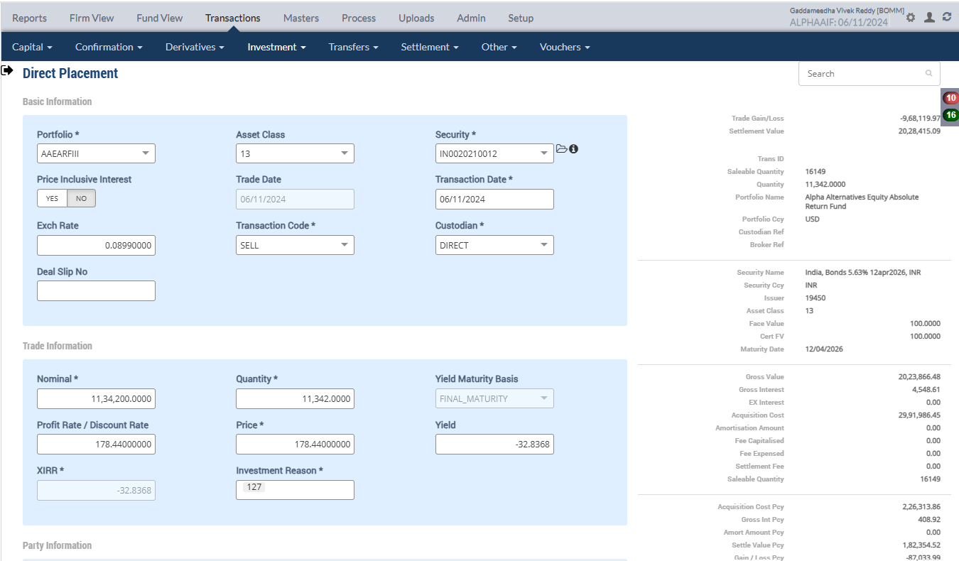

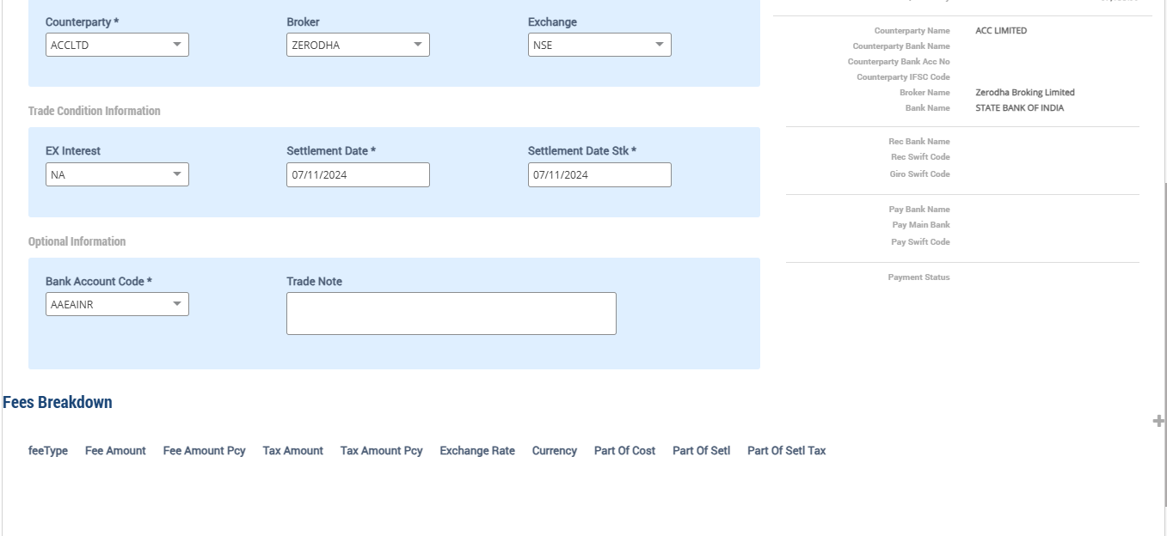

Accounting Enquiry
Portfolio | Portfolio Class | Entry Date | Trans Date | Ledger ID | Trans ID | Module Ref | Account Type | Control AC | Control AC Name | Gl Entry Code | Gl Account | Gl Account Name | Currency | Credit/Debit | Amount Tcy | Amount Pcy | Exch Rate | Asset Class | Asset Group | Security | Security Type | Trans Code | Broker | Counterparty | Narration | Is Reversed | Is Sysgen | Portfolio Currency | Trans Ref
AAEARFIII |  | 06-Nov-2024 | 06-Nov-2024 | CF244101580000135310 | CF2441015800001353 | ORDCONFIRM | INC | 999999 | Currency round off | CCYROUNDDIFF | 999999-USD | Currency round off | USD | Cr | 00.01 | 00.01 | 1 | 13 |  | IN0020210012 | INV | SELL | ZERODHA | ACCLTD | Currency Rounding difference Adjustments India, Bonds 5.63% 12apr2026, INR | N | N | USD | PL2441015800000340
AAEARFIII |  | 06-Nov-2024 | 06-Nov-2024 | CF244101580000135309 | CF2441015800001353 | ORDCONFIRM | INC | 510980 | Investment fx gain/loss | UNREALGLFOREX | 510980-13-INR | Investment fx gain/loss | INR | Cr | 00.00 | -42,665.73 | 0.0899 | 13 |  | IN0020210012 | INV | SELL | ZERODHA | ACCLTD | Unrel Forex reversal on Sale of 11342 quantity of IN0020210012 India, Bonds 5.63% 12apr2026, INR | N | N | USD | PL2441015800000340
AAEARFIII |  | 06-Nov-2024 | 06-Nov-2024 | CF244101580000135308 | CF2441015800001353 | ORDCONFIRM | AST | 010122 | F/X GAIN LOSS ON INVESTMENT | INVFXAPPDEP | 010122-13-INR | F/X GAIN LOSS ON INVESTMENT | INR | Cr | 00.00 | 42,665.73 | 0.0899 | 13 |  | IN0020210012 | INV | SELL | ZERODHA | ACCLTD | Unrel Forex reversal on Sale of 11342 quantity of IN0020210012 India, Bonds 5.63% 12apr2026, INR | N | N | USD | PL2441015800000340
AAEARFIII |  | 06-Nov-2024 | 06-Nov-2024 | CF244101580000135307 | CF2441015800001353 | ORDCONFIRM | AST | 010110 | Investments - App/(Dep) | INVESTAPPDEP | 010110-13-INR | Investments - App/(Dep) | INR | Dr | -2,238,537.39 | -201,244.51 | 0.0899 | 13 |  | IN0020210012 | INV | SELL | ZERODHA | ACCLTD | Unrel Appr/depr Reversal for sale transaction India, Bonds 5.63% 12apr2026, INR | N | N | USD | PL2441015800000340
AAEARFIII |  | 06-Nov-2024 | 06-Nov-2024 | CF244101580000135306 | CF2441015800001353 | ORDCONFIRM | INC | 510000 | Unrealised Gain/Loss On INVESTMENT | UNREALGLINVEST | 510000-13-INR | Unrealised Gain/Loss On INVESTMENT | INR | Cr | 2,238,537.39 | 201,244.51 | 0.0899 | 13 |  | IN0020210012 | INV | SELL | ZERODHA | ACCLTD | Unrel Appr/depr Reversal for sale transaction India, Bonds 5.63% 12apr2026, INR | N | N | USD | PL2441015800000340
AAEARFIII |  | 06-Nov-2024 | 06-Nov-2024 | CF244101580000135305 | CF2441015800001353 | ORDCONFIRM | INC | 611001 | Gain/(Loss) On Foreign Exchange | REALGLFOREX | 611001-INR-INR | Gain/(Loss) On Foreign Exchange | INR | Cr | 00.00 | 42,665.72 | 0.0899 | 13 |  | IN0020210012 | INV | SELL | ZERODHA | ACCLTD | Gain/Loss Forex on Sale of 11342 quantity of IN0020210012 India, Bonds 5.63% 12apr2026, INR | N | N | USD | PL2441015800000340
AAEARFIII |  | 06-Nov-2024 | 06-Nov-2024 | CF244101580000135304 | CF2441015800001353 | ORDCONFIRM | INC | 810010 | Loss on Sale of Investments - Market | MARKETLOSS | 810010-13-INR | Loss on Sale of Investments - Market | INR | Dr | -968,119.97 | -87,033.99 | 0.0899 | 13 |  | IN0020210012 | INV | SELL | ZERODHA | ACCLTD | Market Loss on Sale of 11342 quantity of IN0020210012 India, Bonds 5.63% 12apr2026, INR | N | N | USD | PL2441015800000340
AAEARFIII |  | 06-Nov-2024 | 06-Nov-2024 | CF244101580000135303 | CF2441015800001353 | ORDCONFIRM | AST | 111500 | INTEREST ACCRUED BUT NOT DUE | BROKENINTEREST | 111500-13-INR | INTEREST ACCRUED BUT NOT DUE | INR | Cr | 4,548.61 | 408.92 | 0.0899 | 13 |  | IN0020210012 | INV | SELL | ZERODHA | ACCLTD | Accrued Interest on Sale of 11342 quantity of IN0020210012 India, Bonds 5.63% 12apr2026, INR | N | N | USD | PL2441015800000340
AAEARFIII |  | 06-Nov-2024 | 06-Nov-2024 | CF244101580000135302 | CF2441015800001353 | ORDCONFIRM | AST | 110600 | Trade Receivables | COUNTERPARTYREC | 110600-INR | Trade Receivables | INR | Dr | -2,028,415.09 | -182,354.52 | 0.0899 | 13 |  | IN0020210012 | INV | SELL | ZERODHA | ACCLTD | Counterparty Receivable on Sale of 11342 quantity of IN0020210012 India, Bonds 5.63% 12apr2026, INR | N | N | USD | PL2441015800000340
AAEARFIII |  | 06-Nov-2024 | 06-Nov-2024 | CF244101580000135301 | CF2441015800001353 | ORDCONFIRM | AST | 010101 | Investments | INVESTMENT | 010101-13-INR | Investments | INR | Cr | 2,991,986.45 | 226,313.86 | 0.0899 | 13 |  | IN0020210012 | INV | SELL | ZERODHA | ACCLTD | Cost of Sale on 11342 quantity of IN0020210012 India, Bonds 5.63% 12apr2026, INR | N | N | USD | PL2441015800000340

 |  |  |  |  |  |  |  |  |  |  |  |  |  |  | 48,317,589,178.00
Holding |  |  |  |  |  |  |  |  |  |  |  |  |  |  | 2,991,986.45
Symbol | Security | Security Name | Security Listed | TCY | ISIN Code | Maturity Date | Quantity | Average Price | Strike Price | Book Cost in TCY | Book Cost in PCY | Market Price | Market Value in TCY | Market Value in PCY | % of NAV | Interest Accruals in TCY | Interest Accruals in PCY | Accrued AOD TCY | Accrued AOD PCY | Amortised Cost PCY | Amortised Cost Per Unit | Exchange | App/Dep in TCY | App/Dep in PCY | Unrel GL TCY | Unrel GL PCY | Unrel GL FX PCY | Variable Margin TCY | Variable Margin PCY | Market Price Date
 | IN0020210012 | India, Bonds 5.63% 12apr2026, INR |  | INR |  | 12-Apr-2026 | 4,807.0000 | 263.7970 | 0.000000 | 1,268,072.55 | 95,917.01 | 66.4300 | 319,329.01 | 28,707.68 | 0.0092 | 1,927.80 | (62,174.43) | 0.00 | 0.00 | 95,917.01 | 0.00 | 0.089900 | (948,743.54) | (67,209.33) | (948,743.54) | (85,292.05) | 18,082.71 | 0.00 | 0.00 | 06-Nov-2024

 |  |  |  |  |  |  | 4,807.0000 |  |  | 1,268,072.55 | 95,917.01 |  | 319,329.01 | 28,707.68 |  |  |  |  |  |  |  |  | -948,743.54 | -67,209.33 | -948,743.54 | -85,292.04 | 18,082.72

 |  |  |  |  |  |  |  |  |  |  |  |  |  |  |  |  |  |  |  |  |  |  |  |  | 2,238,537.39 | 201,244.51 | -42,665.73

Purchase Sale
Portfolio | Portfolio Name | Sector Name | Industry Name | Trans Date | Settlement Date | Transaction ID | Transaction Type | Security | Security Name | Strike Price | Asset Class | Asset Name | Exchange | Broker | Broker Name | CounterParty | CounterParty Name | Custodian Name | Quantity | Rate | Gross Value | Yield | Brokerage | Brokerage % | Stt Amount | Clearing Fees | Others Fees | Net Amount TCY | Net Amount PCY | Acquisition Cost TCY | Acquisition Cost PCY | Gain Loss TCY | Gain Loss PCY | Gross Interest TCY | Gross Interest PCY
AAEARFIII | Alpha Alternatives Equity Absolute Return Fund | Others | Household Appliances | 06-Nov-2024 | 07-Nov-2024 | CF2441015800001353 | SELL | IN0020210012 | India, Bonds 5.63% 12apr2026, INR | 0.00 | 13 | Government Securities | NSE | ZERODHA | Zerodha Broking Limited |  |  |  | 11,342.00 | 178.440000 | 181,945.60 | -32.8368% | 0.00 | 0.000000 | 0.00 | 0.00 | 0.00 | 2,028,415.09 | 182,354.52 | 2,991,986.45 | 226,313.86 | (968,119.97) | (87,033.99) | 4,548.61 | 408.92

 |  |  |  |  |  |  |  |  |  |  |  |  |  |  |  |  |  |  |  |  | 2,023,866.48 |  |  |  |  |  |  | 2,028,415.09 | 182354.51659 |  |  | -968,119.97 | -87,033.99
 |  |  |  |  |  |  |  |  |  |  |  |  |  |  |  |  |  |  |  |  | 181,945.60

FIFO
Security

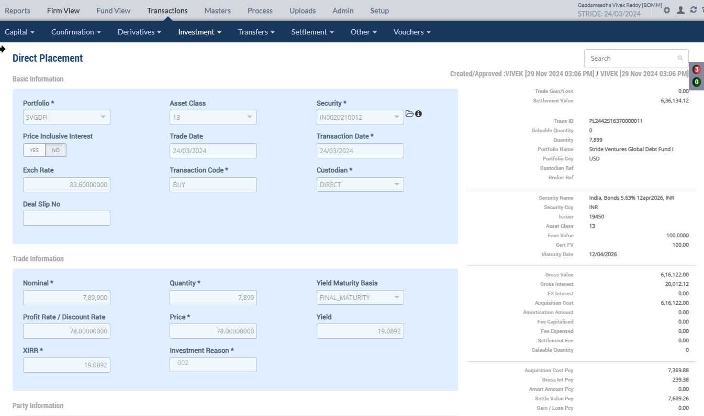
Direct Placement - BUY
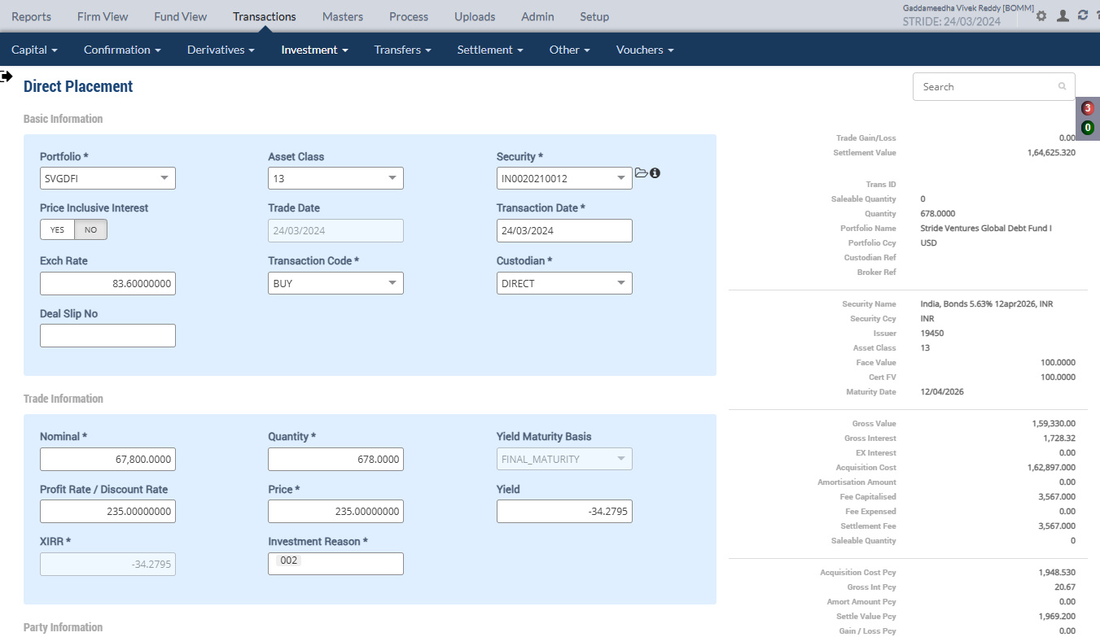

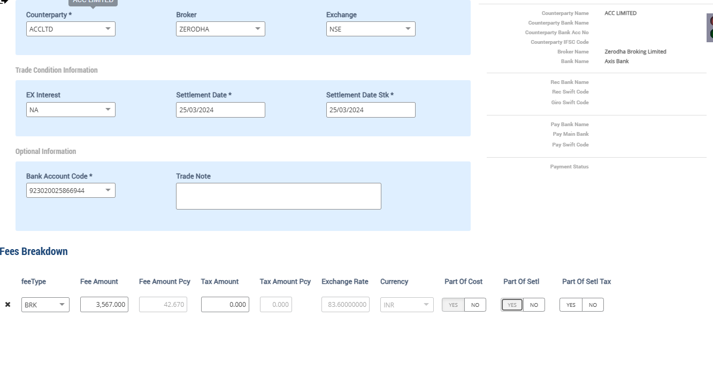
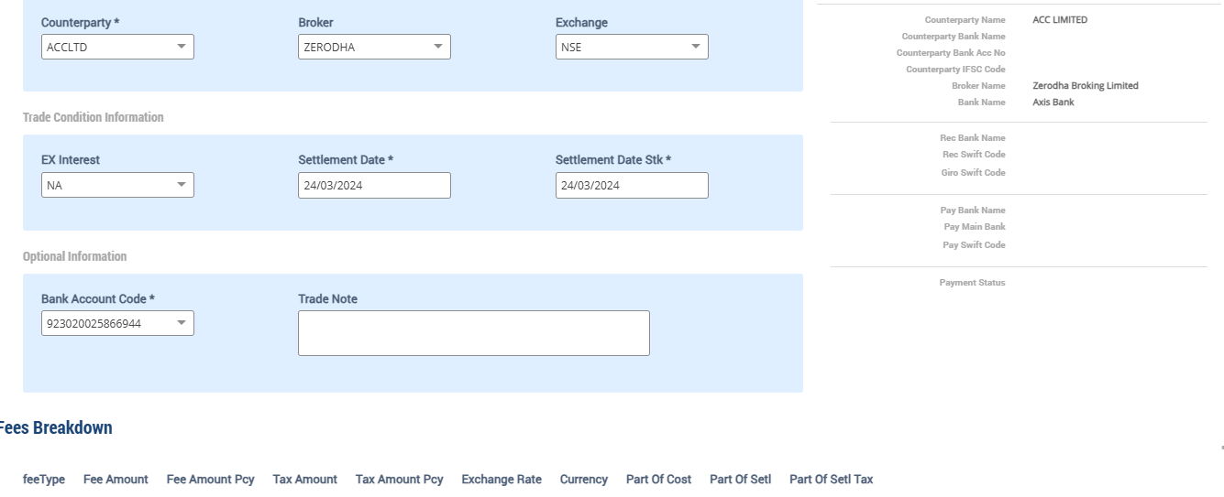

Accounting Enquiry
Portfolio | Portfolio Class | Entry Date | Trans Date | Ledger ID | Trans ID | Module Ref | Account Type | Control AC | Control AC Name | Gl Entry Code | Gl Account | Gl Account Name | Currency | Credit/Debit | Amount Tcy | Amount Pcy | Exch Rate | Asset Class | Asset Group | Security | Security Type | Trans Code | Broker | Counterparty | Narration | Is Reversed | Is Sysgen | Portfolio Currency | Trans Ref
SVGDFI |  | 24-Mar-2024 | 24-Mar-2024 | CF244251637000001503 | CF2442516370000015 | ORDCONFIRM | AST | 111500 | INTEREST ACCRUED BUT NOT DUE | BROKENINTEREST | 111500-13-INR | INTEREST ACCRUED BUT NOT DUE | INR | Dr | -20,012.12 | -239.38 | 83.6 | 13 | -239.38 | IN0020210012 | INV | BUY | ZERODHA | ACCLTD | Accrued Interest on Purchase of 7899 quantity of IN0020210012 India, Bonds 5.63% 12apr2026, INR | N | N | USD | PL2442516370000011
SVGDFI |  | 24-Mar-2024 | 24-Mar-2024 | CF244251637000001502 | CF2442516370000015 | ORDCONFIRM | AST | 110100 | Current Bank Account | CURRENTBACCOUNT | 110100-923020025866944-INR | Current Bank Account | INR | Cr | 636,134.12 | 7,609.26 | 83.6 | 13 | 7,609.26 | IN0020210012 | INV | BUY | ZERODHA | ACCLTD | Purchase Trade settlement 7899 quantity of IN0020210012 India, Bonds 5.63% 12apr2026, INR | N | N | USD | PL2442516370000011
SVGDFI |  | 24-Mar-2024 | 24-Mar-2024 | CF244251637000001501 | CF2442516370000015 | ORDCONFIRM | AST | 010101 | Investments | INVESTMENT | 010101-13-INR | Investments | INR | Dr | -616,122.00 | -7,369.88 | 83.6 | 13 | -7,369.88 | IN0020210012 | INV | BUY | ZERODHA | ACCLTD | Purchase of 7899 quantity of IN0020210012 India, Bonds 5.63% 12apr2026, INR | N | N | USD | PL2442516370000011
SVGDFI |  | 24-Mar-2024 | 24-Mar-2024 | CF244251637000001403 | CF2442516370000014 | ORDCONFIRM | AST | 111500 | INTEREST ACCRUED BUT NOT DUE | BROKENINTEREST | 111500-13-INR | INTEREST ACCRUED BUT NOT DUE | INR | Dr | -1,728.32 | -20.67 | 83.6 | 13 | -20.67 | IN0020210012 | INV | BUY | ZERODHA | ACCLTD | Accrued Interest on Purchase of 678 quantity of IN0020210012 India, Bonds 5.63% 12apr2026, INR | N | N | USD | PL2442516370000010
SVGDFI |  | 24-Mar-2024 | 24-Mar-2024 | CF244251637000001402 | CF2442516370000014 | ORDCONFIRM | LIA | 210600 | Due To Financial Institutions | COUNTERPARTYPAY | 210600-INR | Due To Financial Institutions | INR | Cr | 164,625.32 | 1,969.20 | 83.6 | 13 | 1,969.20 | IN0020210012 | INV | BUY | ZERODHA | ACCLTD | Counterparty Payable on Purchase of 678 quantity of IN0020210012 India, Bonds 5.63% 12apr2026, INR | N | N | USD | PL2442516370000010
SVGDFI |  | 24-Mar-2024 | 24-Mar-2024 | CF244251637000001401 | CF2442516370000014 | ORDCONFIRM | AST | 010101 | Investments | INVESTMENT | 010101-13-INR | Investments | INR | Dr | -162,897.00 | -1,948.53 | 83.6 | 13 | -1,948.53 | IN0020210012 | INV | BUY | ZERODHA | ACCLTD | Purchase of 678 quantity of IN0020210012 India, Bonds 5.63% 12apr2026, INR | N | N | USD | PL2442516370000010

Holding
Symbol | Security |  | Security Name | Security Listed | TCY | ISIN Code | Maturity Date | Quantity | Average Price | Strike Price | Book Cost in TCY | Book Cost in PCY | Market Price | Market Value in TCY | Market Value in PCY | % of NAV | Interest Accruals in TCY | Interest Accruals in PCY | Accrued AOD TCY | Accrued AOD PCY | Amortised Cost PCY | Amortised Cost Per Unit | Exchange | App/Dep in TCY | App/Dep in PCY | Unrel GL TCY | Unrel GL PCY | Unrel GL FX PCY | Variable Margin TCY | Variable Margin PCY | Market Price Date
 | IN0020210012 |  | India, Bonds 5.63% 12apr2026, INR |  | INR |  | 12-Apr-2026 | 8,577.0000 | 90.8265 | 0.000000 | 779,019.00 | 9,318.41 | 108.3400 | 929,232.18 | 11,115.22 | 0.4245 | 21,740.44 | 260.05 | 0.00 | 0.00 | 9,318.41 | 0.00 |  | 150,213.18 | 1,796.81 | 0.00 | 0.00 | 0.00 | 0.00 | 0.00 | 22-Mar-2024
 |  |  |  |  |  |  |  |  | 90.8265 |  | 779,019.00 | 9,318.41

Purchase Sale
Portfolio | Portfolio Name | Sector Name | Industry Name | Trans Date | Settlement Date | Transaction ID | Transaction Type | Security | Security Name | Strike Price | Asset Class | Asset Name |  | Exchange |  | Broker |  | Broker Name |  | CounterParty | CounterParty Name | Custodian Name | Quantity |  | Rate |  | Gross Value |  | Yield | Brokerage | Brokerage % | Stt Amount | Clearing Fees | Others Fees | Net Amount TCY | Net Amount PCY | Acquisition Cost TCY | Acquisition Cost PCY | Gain Loss TCY | Gain Loss PCY | Gross Interest TCY | Gross Interest PCY
SVGDFI | Stride Ventures Global Debt Fund I | Others | Household Appliances | 24-Mar-2024 | 25-Mar-2024 | CF2442516370000014 | BUY | IN0020210012 | India, Bonds 5.63% 12apr2026, INR | 0.00 | 13 |  | Government Securities |  | NSE |  | ZERODHA |  | Zerodha Broking Limited |  |  |  |  | 678.00 |  | 235.000000 |  | 1,905.86 | -34.2795% | 42.67 | 2.238884 | 0.00 | 0.00 | 0.00 | 164,625.32 | 1,969.20 | 162,897.00 | 1,948.53 | 0.00 | 0.00 | 1,728.32 | 20.67
SVGDFI | Stride Ventures Global Debt Fund I | Others | Household Appliances | 24-Mar-2024 | 24-Mar-2024 | CF2442516370000015 | BUY | IN0020210012 | India, Bonds 5.63% 12apr2026, INR | 0.00 | 13 |  | Government Securities |  | NSE |  | ZERODHA |  | Zerodha Broking Limited |  |  |  |  | 7,899.00 |  | 78.000000 |  | 7,369.88 | 19.0892% | 0.00 | 0.000000 | 0.00 | 0.00 | 0.00 | 636,134.12 | 7,609.26 | 616,122.00 | 7,369.88 | 0.00 | 0.00 | 20,012.12 | 239.38

Upload Market Price on 24th Mar

Accounting Enquiry
Portfolio | Portfolio Class | Entry Date | Trans Date | Ledger ID | Trans ID | Module Ref | Account Type | Control AC | Control AC Name | Gl Entry Code | Gl Account | Gl Account Name | Currency | Credit/Debit | Amount Tcy | Amount Pcy | Exch Rate | Asset Class | Asset Group | Security | Security Type | Trans Code | Broker | Counterparty | Narration | Is Reversed | Is Sysgen | Portfolio Currency | Trans Ref
SVGDFI |  | 24-Mar-2024 | 24-Mar-2024 | UG244251637000002102 | UG2442516370000021 | UNREAL_GAINLOSS | INC | 510000 | Unrealised Gain/Loss On INVESTMENT | UNREALGLINVEST | 510000-13-INR | Unrealised Gain/Loss On INVESTMENT | INR | Cr | 150,213.18 | 1,796.80 | 83.6 | 13 |  | IN0020210012 | INV | UPRFLS |  |  | Unrealised Gain/Loss on Security IN0020210012 on the Price change - Strike Price 0 India, Bonds 5.63% 12apr2026, INR | N | Y | USD | UG2442516370000021
SVGDFI |  | 24-Mar-2024 | 24-Mar-2024 | UG244251637000002101 | UG2442516370000021 | UNREAL_GAINLOSS | AST | 010110 | Investments - App/(Dep) | INVESTAPPDEP | 010110-13-INR | Investments - App/(Dep) | INR | Dr | -150,213.18 | -1,796.80 | 83.6 | 13 |  | IN0020210012 | INV | UPRFLS |  |  | Unrealised Gain/Loss on Security IN0020210012 on the Price change - Strike Price 0 India, Bonds 5.63% 12apr2026, INR | N | Y | USD | UG2442516370000021
SVGDFI |  | 24-Mar-2024 | 24-Mar-2024 | IC244251637000003202 | IC2442516370000032 | INCOME_ACCRUAL | INC | 610401 | Interest Income - Investments | INTINCOMESEC | 610401-13-INR | Interest Income - Investments | INR | Cr | 123.53 | 01.48 | 83.6 | 13 |  | IN0020210012 | INV | INTAOD |  |  | Interest Accrual on 7899 quantity of IN0020210012 India, Bonds 5.63% 12apr2026, INR | N | Y | USD
SVGDFI |  | 24-Mar-2024 | 24-Mar-2024 | IC244251637000003201 | IC2442516370000032 | INCOME_ACCRUAL | AST | 111500 | INTEREST ACCRUED BUT NOT DUE | BROKENINTEREST | 111500-13-INR | INTEREST ACCRUED BUT NOT DUE | INR | Dr | -123.53 | -01.48 | 83.6 | 13 |  | IN0020210012 | INV | INTAOD |  |  | Interest Accrual on 7899 quantity of IN0020210012 India, Bonds 5.63% 12apr2026, INR | N | Y | USD

Holding
Symbol | Security |  | Security Name | Security Listed | TCY | ISIN Code | Maturity Date | Quantity | Average Price | Strike Price | Book Cost in TCY | Book Cost in PCY | Market Price | Market Value in TCY | Market Value in PCY | % of NAV | Interest Accruals in TCY | Interest Accruals in PCY | Accrued AOD TCY | Accrued AOD PCY | Amortised Cost PCY | Amortised Cost Per Unit | Exchange | App/Dep in TCY | App/Dep in PCY | Unrel GL TCY | Unrel GL PCY | Unrel GL FX PCY | Variable Margin TCY | Variable Margin PCY | Market Price Date
 | IN0020210012 |  | India, Bonds 5.63% 12apr2026, INR |  | INR |  | 12-Apr-2026 | 8,577.0000 | 90.8265 | 0.000000 | 779,019.00 | 9,318.41 | 108.3400 | 929,232.18 | 11,115.22 | 0.4280 | 21,863.97 | 261.53 | 0.00 | 0.00 | 9,318.41 | 0.00 | 83.600000 | 150,213.18 | 1,796.81 | 150,213.18 | 1,796.80 | 0.00 | 0.00 | 0.00 | 24-Mar-2024

 |  |  |  |  |  |  |  |  |  |  |  |  |  | 929,232.18 | 11,115.22 |  | 21,863.97 | 261.53 |  |  |  |  |  | 150,213.18 | 1,796.81 | 150,213.18 | 1,796.81

Settle(T+1) Trade after Freeze NAV
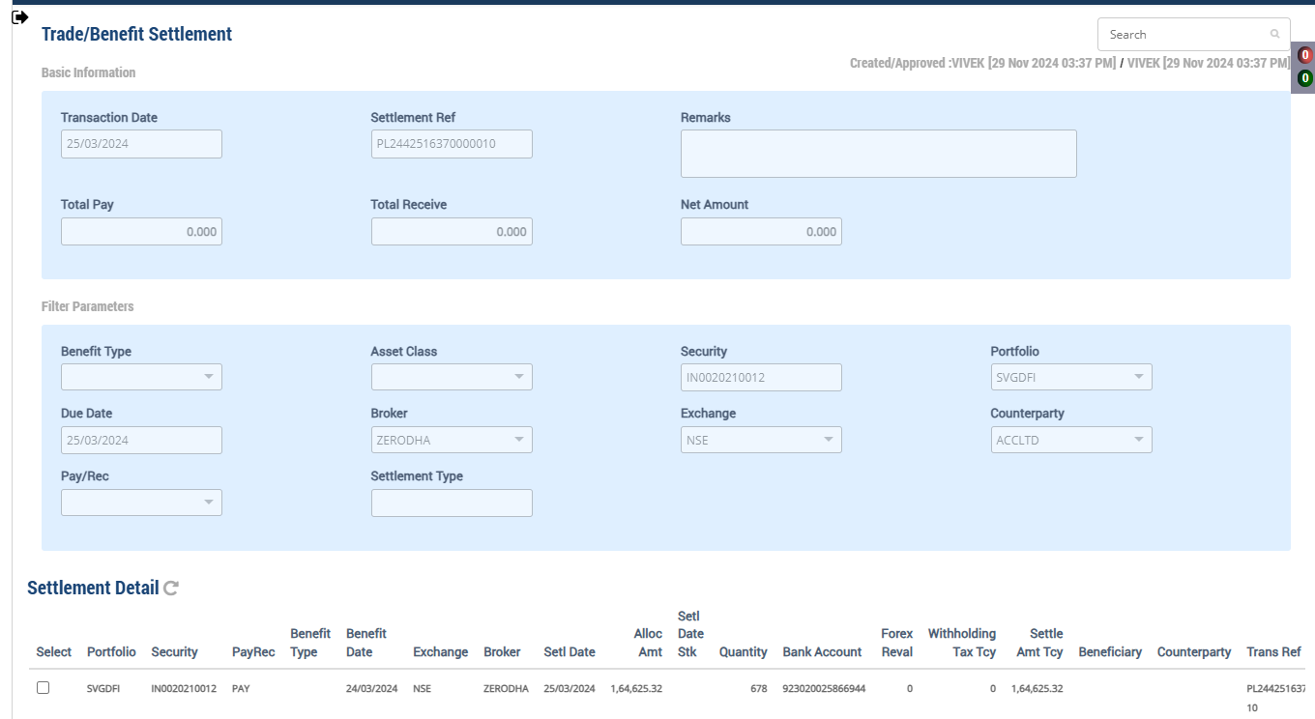

Accounting Enquiry
Portfolio | Portfolio Class | Entry Date | Trans Date | Ledger ID | Trans ID | Module Ref | Account Type | Control AC | Control AC Name | Gl Entry Code | Gl Account | Gl Account Name | Currency | Credit/Debit | Amount Tcy | Amount Pcy | Exch Rate | Asset Class | Asset Group | Security | Security Type | Trans Code | Broker | Counterparty | Narration | Is Reversed | Is Sysgen | Portfolio Currency | Trans Ref
SVGDFI |  | 25-Mar-2024 | 25-Mar-2024 | PR244251637000006302 | PR2442516370000063 | PAYREC_SETTLE | AST | 110100 | Current Bank Account | CURRENTBACCOUNT | 110100-923020025866944-INR | Current Bank Account | INR | Cr | 164,625.32 | 1,969.20 | 83.6 | 13 |  | IN0020210012 | INV | TSTCPP | ZERODHA | ACCLTD | Counterparty Purchase Settlement of 678 quantity of IN0020210012 India, Bonds 5.63% 12apr2026, INR | N | N | USD | PL2442516370000010
SVGDFI |  | 25-Mar-2024 | 25-Mar-2024 | PR244251637000006301 | PR2442516370000063 | PAYREC_SETTLE | LIA | 210600 | Due To Financial Institutions | COUNTERPARTYPAY | 210600-INR | Due To Financial Institutions | INR | Dr | -164,625.32 | -1,969.20 | 83.6 | 13 |  | IN0020210012 | INV | TSTCPP | ZERODHA | ACCLTD | Counterparty Purchase Settlement of 678 quantity of IN0020210012 India, Bonds 5.63% 12apr2026, INR | N | N | USD | PL2442516370000010

Forex Rate on 25th Mar
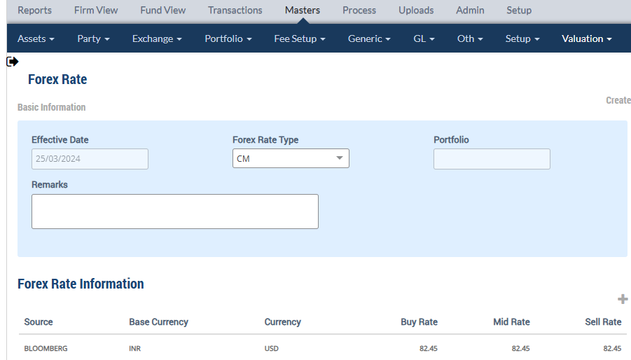

Upload Market Price on 25th Mar

Accounting Enquiry
Portfolio | Portfolio Class | Entry Date | Trans Date | Ledger ID | Trans ID | Module Ref | Account Type | Control AC | Control AC Name | Gl Entry Code | Gl Account | Gl Account Name | Currency | Credit/Debit | Amount Tcy | Amount Pcy | Exch Rate | Asset Class | Asset Group | Security | Security Type | Trans Code | Broker | Counterparty | Narration | Is Reversed | Is Sysgen | Portfolio Currency | Trans Ref
SVGDFI |  | 25-Mar-2024 | 25-Mar-2024 | UG244251637000002304 | UG2442516370000023 | UNREAL_GAINLOSS | INC | 510000 | Unrealised Gain/Loss On INVESTMENT | UNREALGLINVEST | 510000-13-INR | Unrealised Gain/Loss On INVESTMENT | INR | Dr | -53,348.94 | -621.98 | 82.45 | 13 |  | IN0020210012 | INV | UPRFLS |  |  | Unrealised Gain/Loss on Security IN0020210012 on the Price change - Strike Price 0 India, Bonds 5.63% 12apr2026, INR | N | Y | USD | UG2442516370000023
SVGDFI |  | 25-Mar-2024 | 25-Mar-2024 | UG244251637000002303 | UG2442516370000023 | UNREAL_GAINLOSS | INC | 510980 | Investment fx gain/loss | UNREALGLFOREX | 510980-13-INR | Investment fx gain/loss | INR | Cr | 00.00 | 129.98 | 82.45 | 13 |  | IN0020210012 | INV | UPRFLS |  |  | Unrealised Gain/Loss on Security IN0020210012 on the FX change - Strike Price 0 India, Bonds 5.63% 12apr2026, INR | N | Y | USD | UG2442516370000023
SVGDFI |  | 25-Mar-2024 | 25-Mar-2024 | UG244251637000002302 | UG2442516370000023 | UNREAL_GAINLOSS | AST | 010122 | F/X GAIN LOSS ON INVESTMENT | INVFXAPPDEP | 010122-13-INR | F/X GAIN LOSS ON INVESTMENT | INR | Cr | 00.00 | -129.98 | 82.45 | 13 |  | IN0020210012 | INV | UPRFLS |  |  | Unrealised Gain/Loss on Security IN0020210012 on the FX change - Strike Price 0 India, Bonds 5.63% 12apr2026, INR | N | Y | USD | UG2442516370000023
SVGDFI |  | 25-Mar-2024 | 25-Mar-2024 | UG244251637000002301 | UG2442516370000023 | UNREAL_GAINLOSS | AST | 010110 | Investments - App/(Dep) | INVESTAPPDEP | 010110-13-INR | Investments - App/(Dep) | INR | Cr | 53,348.94 | 621.98 | 82.45 | 13 |  | IN0020210012 | INV | UPRFLS |  |  | Unrealised Gain/Loss on Security IN0020210012 on the Price change - Strike Price 0 India, Bonds 5.63% 12apr2026, INR | N | Y | USD | UG2442516370000023
SVGDFI |  | 25-Mar-2024 | 25-Mar-2024 | IC244251637000003304 | IC2442516370000033 | INCOME_ACCRUAL | INC | 510988 | fx gain/loss on pay/rec | UNREALGLOFOREX | 510988-INR | fx gain/loss on pay/rec | INR | Cr | 00.00 | 03.64 | 82.45 | 13 |  | IN0020210012 | INV | INTAOD |  |  | Interest Accrual on 8577 quantity of IN0020210012 India, Bonds 5.63% 12apr2026, INR | N | Y | USD | IC2442516370000033
SVGDFI |  | 25-Mar-2024 | 25-Mar-2024 | IC244251637000003303 | IC2442516370000033 | INCOME_ACCRUAL | AST | 111500 | INTEREST ACCRUED BUT NOT DUE | BROKENINTEREST | 111500-13-INR | INTEREST ACCRUED BUT NOT DUE | INR | Cr | 00.00 | -03.64 | 82.45 | 13 |  | IN0020210012 | INV | INTAOD |  |  | Interest Accrual on 8577 quantity of IN0020210012 India, Bonds 5.63% 12apr2026, INR | N | Y | USD | IC2442516370000033
SVGDFI |  | 25-Mar-2024 | 25-Mar-2024 | IC244251637000003302 | IC2442516370000033 | INCOME_ACCRUAL | INC | 610401 | Interest Income - Investments | INTINCOMESEC | 610401-13-INR | Interest Income - Investments | INR | Cr | 134.13 | 01.63 | 82.45 | 13 |  | IN0020210012 | INV | INTAOD |  |  | Interest Accrual on 8577 quantity of IN0020210012 India, Bonds 5.63% 12apr2026, INR | N | Y | USD | IC2442516370000033
SVGDFI |  | 25-Mar-2024 | 25-Mar-2024 | IC244251637000003301 | IC2442516370000033 | INCOME_ACCRUAL | AST | 111500 | INTEREST ACCRUED BUT NOT DUE | BROKENINTEREST | 111500-13-INR | INTEREST ACCRUED BUT NOT DUE | INR | Dr | -134.13 | -01.63 | 82.45 | 13 |  | IN0020210012 | INV | INTAOD |  |  | Interest Accrual on 8577 quantity of IN0020210012 India, Bonds 5.63% 12apr2026, INR | N | Y | USD | IC2442516370000033

Holding
Symbol | Security | Security Name | Security Listed | TCY | ISIN Code | Maturity Date | Quantity | Average Price | Strike Price | Book Cost in TCY | Book Cost in PCY | Market Price | Market Value in TCY | Market Value in PCY | % of NAV | Interest Accruals in TCY | Interest Accruals in PCY | Accrued AOD TCY | Accrued AOD PCY | Amortised Cost PCY | Amortised Cost Per Unit | Exchange | App/Dep in TCY | App/Dep in PCY | Unrel GL TCY | Unrel GL PCY | Unrel GL FX PCY | Variable Margin TCY | Variable Margin PCY | Market Price Date
 | IN0020210012 | India, Bonds 5.63% 12apr2026, INR |  | INR |  | 12-Apr-2026 | 8,577.0000 | 90.8265 | 0.000000 | 779,019.00 | 9,318.41 | 102.1200 | 875,883.24 | 10,623.20 | 0.4092 | 21,998.10 | 263.16 | 0.00 | 0.00 | 9,318.41 | 0.00 | 82.450000 | 96,864.24 | 1,304.79 | 96,864.24 | 1,174.82 | 129.98 | 0.00 | 0.00 | 25-Mar-2024

 |  |  |  |  |  |  |  |  |  |  |  |  | 875,883.24 | 10,623.20 |  | 21,998.10 | 263.16 |  |  |  |  |  | 96,864.24 | 1,304.79 | 96,864.24 | 1,174.82 | 129.97

 |  |  |  |  |  |  |  |  |  |  |  |  |  |  |  |  |  |  |  |  |  |  |  |  | 53,348.94 | 621.98
Direct Placement - SELL


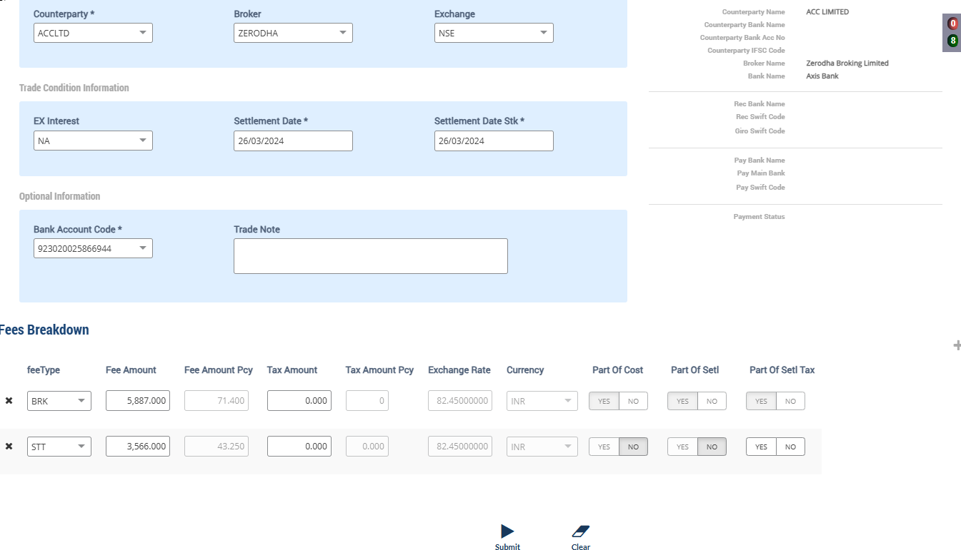

Accounting Enquiry
Portfolio | Portfolio Class | Entry Date | Trans Date | Ledger ID | Trans ID | Module Ref | Account Type | Control AC | Control AC Name | Gl Entry Code | Gl Account | Gl Account Name | Currency | Credit/Debit | Amount Tcy | Amount Pcy | Exch Rate | Asset Class | Asset Group | Security | Security Type | Trans Code | Broker | Counterparty | Narration | Is Reversed | Is Sysgen | Portfolio Currency | Trans Ref
SVGDFI |  | 25-Mar-2024 | 25-Mar-2024 | CF244251637000001611 | CF2442516370000016 | ORDCONFIRM | INC | 510980 | Investment fx gain/loss | UNREALGLFOREX | 510980-13-INR | Investment fx gain/loss | INR | Cr | 00.00 | -76.92 | 82.45 | 13 |  | IN0020210012 | INV | SELL | ZERODHA | ACCLTD | Unrel Forex reversal on Sale of 4500 quantity of IN0020210012 India, Bonds 5.63% 12apr2026, INR | N | N | USD | PL2442516370000012
SVGDFI |  | 25-Mar-2024 | 25-Mar-2024 | CF244251637000001610 | CF2442516370000016 | ORDCONFIRM | AST | 010122 | F/X GAIN LOSS ON INVESTMENT | INVFXAPPDEP | 010122-13-INR | F/X GAIN LOSS ON INVESTMENT | INR | Cr | 00.00 | 76.92 | 82.45 | 13 |  | IN0020210012 | INV | SELL | ZERODHA | ACCLTD | Unrel Forex reversal on Sale of 4500 quantity of IN0020210012 India, Bonds 5.63% 12apr2026, INR | N | N | USD | PL2442516370000012
SVGDFI |  | 25-Mar-2024 | 25-Mar-2024 | CF244251637000001609 | CF2442516370000016 | ORDCONFIRM | AST | 010110 | Investments - App/(Dep) | INVESTAPPDEP | 010110-13-INR | Investments - App/(Dep) | INR | Dr | -1,473.00 | -17.87 | 82.45 | 13 |  | IN0020210012 | INV | SELL | ZERODHA | ACCLTD | Unrel Appr/depr Reversal for sale transaction India, Bonds 5.63% 12apr2026, INR | N | N | USD | PL2442516370000012
SVGDFI |  | 25-Mar-2024 | 25-Mar-2024 | CF244251637000001608 | CF2442516370000016 | ORDCONFIRM | INC | 510000 | Unrealised Gain/Loss On INVESTMENT | UNREALGLINVEST | 510000-13-INR | Unrealised Gain/Loss On INVESTMENT | INR | Cr | 1,473.00 | 17.87 | 82.45 | 13 |  | IN0020210012 | INV | SELL | ZERODHA | ACCLTD | Unrel Appr/depr Reversal for sale transaction India, Bonds 5.63% 12apr2026, INR | N | N | USD | PL2442516370000012
SVGDFI |  | 25-Mar-2024 | 25-Mar-2024 | CF244251637000001607 | CF2442516370000016 | ORDCONFIRM | INC | 611001 | Gain/(Loss) On Foreign Exchange | REALGLFOREX | 611001-INR-INR | Gain/(Loss) On Foreign Exchange | INR | Cr | 00.00 | 76.92 | 82.45 | 13 |  | IN0020210012 | INV | SELL | ZERODHA | ACCLTD | Gain/Loss Forex on Sale of 4500 quantity of IN0020210012 India, Bonds 5.63% 12apr2026, INR | N | N | USD | PL2442516370000012
SVGDFI |  | 25-Mar-2024 | 25-Mar-2024 | CF244251637000001606 | CF2442516370000016 | ORDCONFIRM | INC | 611000 | Profit on Sale of Investments - Market | MARKETPROFIT | 611000-13-INR | Profit on Sale of Investments - Market | INR | Cr | 31,070.00 | 376.83 | 82.45 | 13 |  | IN0020210012 | INV | SELL | ZERODHA | ACCLTD | Market Gain on Sale of 4500 quantity of IN0020210012 India, Bonds 5.63% 12apr2026, INR | N | N | USD | PL2442516370000012
SVGDFI |  | 25-Mar-2024 | 25-Mar-2024 | CF244251637000001605 | CF2442516370000016 | ORDCONFIRM | AST | 111500 | INTEREST ACCRUED BUT NOT DUE | BROKENINTEREST | 111500-13-INR | INTEREST ACCRUED BUT NOT DUE | INR | Cr | 11,541.50 | 139.98 | 82.45 | 13 |  | IN0020210012 | INV | SELL | ZERODHA | ACCLTD | Accrued Interest on Sale of 4500 quantity of IN0020210012 India, Bonds 5.63% 12apr2026, INR | N | N | USD | PL2442516370000012
SVGDFI |  | 25-Mar-2024 | 25-Mar-2024 | CF244251637000001604 | CF2442516370000016 | ORDCONFIRM | LIA | 212024 | STT Payable | STTAMOUNTPAY | 212024-INR | STT Payable | INR | Cr | 3,566.00 | 43.25 | 82.45 | 13 |  | IN0020210012 | INV | SELL | ZERODHA | ACCLTD | STT Charges Payable on Sale of 4500 quantity of IN0020210012 India, Bonds 5.63% 12apr2026, INR | N | N | USD | PL2442516370000012
SVGDFI |  | 25-Mar-2024 | 25-Mar-2024 | CF244251637000001603 | CF2442516370000016 | ORDCONFIRM | EXP | 810324 | STT Fee | STTAMOUNTEXP | 810324-INR | STT Fee | INR | Dr | -3,566.00 | -43.25 | 82.45 | 13 |  | IN0020210012 | INV | SELL | ZERODHA | ACCLTD | STT Charges Expense on Sale of 4500 quantity of IN0020210012 India, Bonds 5.63% 12apr2026, INR | N | N | USD | PL2442516370000012
SVGDFI |  | 25-Mar-2024 | 25-Mar-2024 | CF244251637000001602 | CF2442516370000016 | ORDCONFIRM | AST | 110600 | Due From Financial Institutions | COUNTERPARTYREC | 110600-INR | Due From Financial Institutions | INR | Dr | -503,624.50 | -6,108.24 | 82.45 | 13 |  | IN0020210012 | INV | SELL | ZERODHA | ACCLTD | Counterparty Receivable on Sale of 4500 quantity of IN0020210012 India, Bonds 5.63% 12apr2026, INR | N | N | USD | PL2442516370000012
SVGDFI |  | 25-Mar-2024 | 25-Mar-2024 | CF244251637000001601 | CF2442516370000016 | ORDCONFIRM | AST | 010101 | Investments | INVESTMENT | 010101-13-INR | Investments | INR | Cr | 461,013.00 | 5,514.51 | 82.45 | 13 |  | IN0020210012 | INV | SELL | ZERODHA | ACCLTD | Cost of Sale on 4500 quantity of IN0020210012 India, Bonds 5.63% 12apr2026, INR | N | N | USD | PL2442516370000012

 |  |  |  |  |  |  |  |  |  |  |  |  |  | FIFO | 461,013.00

Holding Statement by Lot
Security Code | Security Short Name | Security Description | Security Currency | Investment Category | Holding Lot No | TaxLot Reference | Purchase Date | Settlement Date | No of Days | Maturity Date | Deemed Maturity Date | Quantity / Nominal | Average Price | Book Cost in Security Currency | Book Cost in Fund Currency | Book Cost at current FX | Market Price | Market Value in Security Currency | Market Value in Fund Currency | % of NAV | Accrued Interest in Security Currency | Accrued Interest in Fund Currency | Accrued AOD in Security Currency | Accrued AOD in Fund Currency | Amortised Cost in Security Currency | Amortised Cost Per Unit | App/Dep in Security Currency | App/Dep in Fund Currency | FX Gain | App/Dep in Fund CCY without FX | Forex Rate
IN0020210012 | India, Bon | India, Bonds 5.63% 12apr2026, INR | INR | INVEST | 136090 | CF2442516370000014 | 24-Mar-2024 | 25-Mar-2024 | 1 | 12-Apr-2026 | 12-Apr-2026 | 678.0000 | 240.261062 | 162,897.00 | 1,948.53 | 1,975.71 | 102.120000 | 74,140.51 | 899.22 | 0.0346 | 21,998.10 | 20.80 | 0.00 | 0.00 | 162,897.00 | 0.00 | (88,756.49) | (1,049.31) | 27.18 | (1,076.49) | 82.45
IN0020210012 | India, Bon | India, Bonds 5.63% 12apr2026, INR | INR | INVEST | 136091 | CF2442516370000015 | 24-Mar-2024 | 24-Mar-2024 | 1 | 12-Apr-2026 | 12-Apr-2026 | 7,899.0000 | 78.000000 | 616,122.00 | 7,369.88 | 7,472.67 | 102.120000 | 806,645.88 | 9,783.46 | 0.3768 | 21,998.10 | 242.36 | 0.00 | 0.00 | 616,122.00 | 0.00 | 190,523.88 | 2,413.58 | 102.80 | 2,310.78 | 82.45

Holding
Symbol | Security | Security Name | Security Listed | TCY | ISIN Code | Maturity Date | Quantity | Average Price | Strike Price | Book Cost in TCY | Book Cost in PCY | Market Price | Market Value in TCY | Market Value in PCY | % of NAV | Interest Accruals in TCY | Interest Accruals in PCY | Accrued AOD TCY | Accrued AOD PCY | Amortised Cost PCY | Amortised Cost Per Unit | Exchange | App/Dep in TCY | App/Dep in PCY | Unrel GL TCY | Unrel GL PCY | Unrel GL FX PCY | Variable Margin TCY | Variable Margin PCY | Market Price Date
 | IN0020210012 | India, Bonds 5.63% 12apr2026, INR |  | INR |  | 12-Apr-2026 | 4,077.0000 | 78.0000 | 0.000000 | 318,006.00 | 3,803.90 | 102.1200 | 416,343.24 | 5,049.65 | 0.1945 | 10,456.60 | 123.18 | 0.00 | 0.00 | 3,803.90 | 0.00 | 82.450000 | 98,337.24 | 1,245.75 | 98,337.24 | 1,192.69 | 53.06 | 0.00 | 0.00 | 25-Mar-2024

 |  |  |  |  |  |  | 4,077.0000 | 78.0000 |  | 318,006.00 | 3,803.90 |  | 416,343.24 | 5,049.65 |  | 10,456.60 | 123.18 |  |  |  |  |  | 98,337.24 | 1,245.75 | 98,337.24 | 1,192.69 | 53.06
 |  |  |  |  |  |  |  |  |  |  |  |  |  |  |  |  |  |  |  |  |  |  |  |  | 1,473.00 | 17.87 | 76.92

Purchase Sale
Portfolio | Portfolio Name | Sector Name | Industry Name | Trans Date | Settlement Date | Transaction ID | Transaction Type | Security | Security Name | Strike Price | Asset Class | Asset Name | Exchange | Broker | Broker Name | CounterParty | CounterParty Name | Custodian Name | Quantity | Rate | Gross Value | Yield | Brokerage | Brokerage % | Stt Amount | Clearing Fees | Others Fees | Net Amount TCY | Net Amount PCY | Acquisition Cost TCY | Acquisition Cost PCY | Gain Loss TCY | Gain Loss PCY | Gross Interest TCY | Gross Interest PCY
SVGDFI | Stride Ventures Global Debt Fund I | Others | Household Appliances | 25-Mar-2024 | 26-Mar-2024 | CF2442516370000016 | SELL | IN0020210012 | India, Bonds 5.63% 12apr2026, INR | 0.00 | 13 | Government Securities | NSE | ZERODHA | Zerodha Broking Limited |  |  |  | 4,500.00 | 110.660000 | 6,039.66 | .3899% | 71.40 | 1.182186 | 43.25 | 0.00 | 0.00 | 503,624.50 | 6,108.24 | 461,013.00 | 5,514.51 | 31,070.00 | 376.83 | 11,541.50 | 139.98

 |  |  |  |  |  |  |  |  |  |  |  |  |  |  |  |  |  |  |  | 497970 | 6039.6604002 |  |  |  |  |  |  | 503,624.50 | 6,108.24 |  |  | 31,070.00 | 376.83

